KKO
KAJIAN KELAYAKAN OPERASI

DAYA LAMA |  |  |  | DAYA BARU
Nama Pelanggan | : | PB BTS IOH_14DMK0151_MARGOHAYU_KARANGAWEN_11KVA |  | Nama Pelanggan | : | PB BTS IOH_14DMK0151_MARGOHAYU_KARANGAWEN_11KVA
Daya Lama (VA) | : | 0 |  | Daya Baru (VA) | : | 11000
Jumlah Fasa | : | 1 | * | Jumlah Fasa | : | 1
Tegangan Sekunder Pengukuran rata-rata (Fasa-Netral) (V) | : | 220 | * | Tegangan Sekunder Pengukuran rata-rata (Fasa-Netral) (V) | : | 220
Beban Pelanggan (A) | : | 0.00 |  | Beban Pelanggan (A) | : | 50.14

SUPLAI TRAFO EKSISTING |  |  |  | SUPLAI TRAFO RENCANA
Nomor Tiang | : | MGN09-119/15/9 |  | Nomor Tiang | : | MGN09-119/15/9
Penyulang | : | MGN 09 |  | Penyulang | : | MGN 09
Daya | : | 50 | * | Daya | : | 50
Jumlah Fasa | : | 1 | * | Jumlah Fasa | : | 1
Beban TRAFO (Pengukuran Lapangan) |  | 269 |  | Beban TRAFO | : | 50.00
Beban Primer | : | 4.33 | * | Beban Primer | : | 4.33
Beban Sekunder | : | 227.90 | * | Beban Sekunder | : | 227.90
Beban (A) | : | #VALUE! |  | Beban (A) | : | #VALUE!
Prosentase Pembebanan | : | 118% |  | Beban (A) | : | 22%
 | 22% | 100%
Prosentase Pembebanan | : | 100% |  | Beban (A) | : | 100%

DATA





DATA
Tahun | : | 2022
Discount Rate | : | 12%
Transfer price TM | : | 1,084 |  | Marginal COST maret 2022
Umur ekonomis (tahun) | : | 25.00
Selisih Susut Teknis | : | 2.25%
∑ Daya | : | 11
BP (Rp) | : | 10,307,000
RAB (Rp) | : | 50,583,414
Biaya O&M (2% invest) | : | 1,011,668.28

Nama Pelanggan | : | PB BTS IOH_14DMK0151_MARGOHAYU_KARANGAWEN_11KVA | *
Golongan Pelanggan | : |  | *
Jenis Layanan | : | B2 | *
Daya Lama (kVA) | : |  | *
Daya Baru (kVA) | : | 11 | *
Tarif WBP (Rp/kWh) | : | 1,444.70 | *
Tarif LWBP (Rp/kWh) | : | 1,444.70 | *
BP (Rp/VA) TR | : | 937 | *
Jam Nyala | : | 40 | *

RAB
 |  | PT. PLN ( PERSERO )
 |  | UNIT INDUK DISTRIBUSI JAWA TENGAH & DI YOGYAKARTA |  |  |  |  |  |  |  |  |  | RAB TOTAL
 |  | UP3 DEMAK |  |  |  |  |  |  |  |  | RAB TOTAL | RAB NON MDU
 | RENCANA ANGGARAN BIAYA (RAB)

 |  |  |  | Pekerjaan | : | PB BTS IOH_14DMK0151_MARGOHAYU_KARANGAWEN_11KVA
 |  |  |  | Lokasi | : | CURUG RT03 RW04 DESA MARGOHAYU KAARANGAWEN
 |  |  |  | Pelaksana | : | PT. PLN (PERSERO) UP3 DEMAK
 |  |  |  | Anggaran | : | SAR 2023

Note !! 1. Saat Pengisian Uraian di mohon memasukan nama material sesuai dengan nama material di harga satuan
2. Mohon di cek kembali saat pengisian volume material
3. Untuk program Sarana Penunjang Fungsi tidak perlu SLO.
 | NO | URAIAN | GOL | SAT | VOL | HARGA SATUAN | BIAYA YANG DIPERLUKAN ( Rp )
 |  |  |  |  |  |  | MDU | HARDWARE | JASA | JUMLAH

#REF! | A | PEMASANGAN TIANG |  |  |  | 0 | 0 | 0 | 0 | 0
#REF! |  |  |  |  |  | 0 | 0 | 0 | 0 | 0
#REF! | + | Tiang Beton 12M-350 daN+E | HDW | Unit | 1 | 6,074,400 | 0 | 6,074,400 | 0 | 6,074,400
#REF! | + | Penomoran Tiang | JASA | Unit | 1 | 10,067 | 0 | 0 | 10,067 | 10,067
#REF! | + | Penghalang Panjat dan Papan Peringatan | HDW | Unit | 1 | 200,000 | 0 | 200,000 | 0 | 200,000
#REF! | + | Upah Pasang Tiang Beton 12M-350 daN+E | JASA | Unit | 1 | 852,274 | 0 | 0 | 852,274 | 852,274
#REF! |  |  |  |  |  | 0 | 0 | 0 | 0 | 0
#REF! |  |  |  |  |  | 0 | 0 | 0 | 0 | 0
#REF! | B | PEKERJAAN PEMASANGAN KONSTRUKSI |  |  |  | 0 | 0 | 0 | 0 | 0
#REF! |  |  |  |  |  | 0 | 0 | 0 | 0 | 0
#REF! | + | CM5-2 |  | Unit | 1 | 0 | 0 | 0 | 0 | 0
#REF! | 1 | Isolator Tumpu ( Pin Post ) 20 KV Porcelein | MDU-KD | Bh | 1 | 235,900 | 235,900 | 0 | 0 | 235,900
#REF! | 2 | Center Bracket 12.5 KN | HDW | Bh | 1 | 95,000 | 0 | 95,000 | 0 | 95,000
#REF! | 3 | Bolt Machine ⅝" x 10" | HDW | Bh | 2 | 26,500 | 0 | 53,000 | 0 | 53,000
#REF! | 4 | Washer Square 2 ¼" | HDW | Bh | 2 | 2,500 | 0 | 5,000 | 0 | 5,000
#REF! | 5 | Tie Wire # 4 / Alluminium bonding wire # 20 | HDW | Mtr | 1.8 | 8,550 | 0 | 15,390 | 0 | 15,390
#REF! | 6 | Compresion Terminal Lug 240 mm² | HDW | Bh | 2 | 40,400 | 0 | 80,800 | 0 | 80,800
#REF! | 7 | Upah Pasang Acc.Jar M5-2 | JASA | Unit | 1 | 31,200 | 0 | 0 | 31,200 | 31,200
#REF! |  |  |  |  |  | 0 | 0 | 0 | 0 | 0
#REF! | + | CA5 |  | Unit | 1 | 0 | 0 | 0 | 0 | 0
v | 1 | Isolator Tarik ( Strainkap Porcelain ) 20 KV | MDU-KD | Set | 1 | 430,000 | 430,000 | 0 | 0 | 430,000
#REF! | 2 | Armour Tape ¼" wide | HDW | Mtr | 1 | 7,789 | 0 | 7,789 | 0 | 7,789
#REF! | 3 | Clevis Swinging Secondary | HDW | Bh | 1 | 15,500 | 0 | 15,500 | 0 | 15,500
#REF! | 4 | Lock Nut ⅝" | HDW | Bh | 2 | 11,400 | 0 | 22,800 | 0 | 22,800
#REF! | 5 | Loop Dead End Clamp / LC ( 35 s/d 240 ) mm² | HDW | Bh | 2 | 29,600 | 0 | 59,200 | 0 | 59,200
#REF! | 6 | Oval Eye Bolt ⅝" x 10" | HDW | Bh | 2 | 27,815 | 0 | 55,630 | 0 | 55,630
#REF! | 7 | Schackle Anchor ⅝" | HDW | Bh | 1 | 16,000 | 0 | 16,000 | 0 | 16,000
#REF! | 8 | Spool Insulator ANSI 53 - 4 | HDW | Bh | 1 | 33,502 | 0 | 33,502 | 0 | 33,502
#REF! | 9 | Washer Square 2 ¼" | HDW | Bh | 2 | 2,500 | 0 | 5,000 | 0 | 5,000
#REF! | 10 | Upah Pasang Konst. JTM 1 Fasa A5 | JASA | Unit | 1 | 50,100 | 0 | 0 | 50,100 | 50,100
#REF! |  |  |  |  |  | 0 | 0 | 0 | 0 | 0
#REF! | + | CE1-3 |  | Unit | 1 | 0 | 0 | 0 | 0 | 0
v | 1 | Bolt Machine ⅝" x 10" | HDW | Bh | 1 | 26,500 | 0 | 26,500 | 0 | 26,500
#REF! | 2 | Guy Attachment / Guy hok | HDW | Bh | 1 | 12,500 | 0 | 12,500 | 0 | 12,500
#REF! | 3 | Guy Wire 70 mm² | HDW | Mtr | 12 | 39,204 | 0 | 470,448 | 0 | 470,448
v | 4 | Three Bolt Clamp | HDW | Bh | 2 | 40,000 | 0 | 80,000 | 0 | 80,000
#REF! | 5 | Washer Square 2 ¼" | HDW | Bh | 1 | 2,500 | 0 | 2,500 | 0 | 2,500
#REF! | 6 | Upah Pasang Acc.Jar E1-3 | JASA | Unit | 1 | 36,600 | 0 | 0 | 36,600 | 36,600
v |  |  |  |  |  | 0 | 0 | 0 | 0 | 0
#REF! | + | F1-3 |  | Unit | 1 | 0 | 0 | 0 | 0 | 0
#REF! | 1 | Expanding Anchor 10.000 lbs | HDW | Bh | 1 | 120,900 | 0 | 120,900 | 0 | 120,900
v | 2 | Rod Anchor ¾" x 8' | HDW | Bh | 1 | 135,800 | 0 | 135,800 | 0 | 135,800
#REF! | 3 | Kousen | HDW | Bh | 1 | 4,500 | 0 | 4,500 | 0 | 4,500
#REF! | 4 | Upah Pasang Acc.Jar F1-3 | JASA | Unit | 1 | 55,500 | 0 | 0 | 55,500 | 55,500
#REF! |  |  |  |  |  | 0 | 0 | 0 | 0 | 0
#REF! | + | Trafo 1 Fasa CSP 50 KVA (G105, G106, G136) |  | Unit | 1 | 0 | 0 | 0 | 0 | 0
#REF! | 1 | Trafo 1 Fasa CSP 50 kVA | MDU-KD | Bh | 1 | 27,845,400 | 27,845,400 | 0 | 0 | 27,845,400
#REF! | 2 | Jumper Wire : |  |  |  | 0 | 0 | 0 | 0 | 0
#REF! |  | AAAC 70 mm² | MDU-KD | Mtr | 2 | 14,200 | 28,400 | 0 | 0 | 28,400
#REF! |  | NFA2X-T 2 x 70 + N 70 mm² | MDU-KD | Mtr | 2 | 53,300 | 106,600 | 0 | 0 | 106,600
#REF! | 3 | Hot Line Clamp ( 35mm² s/d 70 mm² ) | HDW | Bh | 1 | 87,000 | 0 | 87,000 | 0 | 87,000
#REF! | 4 | Bracket band segment,vertikal plat ( Hot dip galvanis ) | HDW | Bh | 2 | 404,600 | 0 | 809,200 | 0 | 809,200
#REF! | 5 | Compresion Conector H type 70 mm² / 70 mm² | HDW | Bh | 3 | 15,900 | 0 | 47,700 | 0 | 47,700
#REF! | 6 | Compresion Terminal Lug 70 mm² | HDW | Bh | 2 | 17,100 | 0 | 34,200 | 0 | 34,200
#REF! | 7 | Sepatu Kabel AL/CU Ring 95 | HDW | Bh | 4 | 64,300 | 0 | 257,200 | 0 | 257,200
#REF! | 8 | Armour Rod # for 70 mm² | HDW | Set | 1 | 67,800 | 0 | 67,800 | 0 | 67,800
v | 9 | Ground wire Cu 16 mm² | HDW | Mtr | 2 | 30,000 | 0 | 60,000 | 0 | 60,000
#REF! | 10 | Upah Pasang Trafo 1 Fasa 50 KVA + Bracket | JASA | Unit | 1 | 346,400 | 0 | 0 | 346,400 | 346,400
#REF! |  |  |  |  |  | 0 | 0 | 0 | 0 | 0
#REF! | + | CM2-12 |  | Unit | 2 | 0 | 0 | 0 | 0 | 0
#REF! | 1 | Bimetalic Connector 35 - 240 mm² | HDW | Bh | 2 | 47,459 | 0 | 94,918 | 0 | 94,918
 | 2 | Ground wire Cu 16 mm² | HDW | Mtr | 1.6 | 30,000 | 0 | 48,000 | 0 | 48,000
 | 3 | Ground rod & Washer | HDW | Bh | 2 | 9,500 | 0 | 19,000 | 0 | 19,000
#REF! | 4 | Upah Pasang Acc.Jar M2-12 | JASA | Unit | 2 | 16,200 | 0 | 0 | 32,400 | 32,400
#REF! |  |  |  |  |  | 0 | 0 | 0 | 0 | 0
#REF! | + | CM2-12A |  | Unit | 1 | 0 | 0 | 0 | 0 | 0
#REF! | 1 | Bimetalic Connector 35 - 240 mm² | HDW | Bh | 1 | 47,459 | 0 | 47,459 | 0 | 47,459
 | 2 | Ground wire Cu 16 mm² | HDW | Mtr | 1 | 30,000 | 0 | 30,000 | 0 | 30,000
 | 3 | Ground rod & Washer | HDW | Bh | 1 | 9,500 | 0 | 9,500 | 0 | 9,500
#REF! | 4 | Upah Pasang Acc.Jar M2-12A | JASA | Unit | 1 | 21,200 | 0 | 0 | 21,200 | 21,200
#REF! |  |  |  |  |  | 0 | 0 | 0 | 0 | 0
#REF! | + | CM2-11M |  | Unit | 2 | 0 | 0 | 0 | 0 | 0
#REF! | 1 | Ground rod ⅝" x 8" Copper Weld | HDW | Bh | 2 | 185,200 | 0 | 370,400 | 0 | 370,400
 | 2 | Bimetalic Connector 35 - 240 mm² | HDW | Bh | 2 | 47,459 | 0 | 94,918 | 0 | 94,918
 | 3 | Clamp Ground Rod ⅝" | HDW | Bh | 2 | 4,880 | 0 | 9,760 | 0 | 9,760
#REF! | 4 | Ground wire Cu 16 mm² | HDW | Mtr | 20 | 30,000 | 0 | 600,000 | 0 | 600,000
#REF! | 5 | Ground rod & Washer | HDW | Bh | 4 | 9,500 | 0 | 38,000 | 0 | 38,000
#REF! | 6 | Pipa PVC ½" | HDW | Bh | 11 | 6,100 | 0 | 67,100 | 0 | 67,100
#REF! | 7 | Stopping Buckle / Yokes | HDW | Bh | 12 | 2,300 | 0 | 27,600 | 0 | 27,600
 | 8 | Stainless Steel Strap 20 X 0.7 mm | HDW | Mtr | 9.6 | 23,310 | 0 | 223,776 | 0 | 223,776
 | 9 | Upah Pasang Acc.Jar M2-11M | JASA | Unit | 2 | 65,400 | 0 | 0 | 130,800 | 130,800
#REF! |  |  |  |  |  | 0 | 0 | 0 | 0 | 0
#REF! | + | SJ6 |  | Unit | 2 | 0 | 0 | 0 | 0 | 0
 | 1 | Armour Tape ¼" wide | HDW | Mtr | 2 | 7,789 | 0 | 15,578 | 0 | 15,578
 | 2 | Clevis Swinging Secondary | HDW | Bh | 2 | 15,500 | 0 | 31,000 | 0 | 31,000
#REF! | 3 | Loop Dead End Clamp / LC ( 35 s/d 240 ) mm² | HDW | Bh | 4 | 29,600 | 0 | 118,400 | 0 | 118,400
#REF! | 4 | Oval Eye Nut ⅝" | HDW | Bh | 2 | 23,936 | 0 | 47,872 | 0 | 47,872
#REF! | 5 | Pole Band Single Rack 7" atau 7 ½" | HDW | Bh | 2 | 57,690 | 0 | 115,380 | 0 | 115,380
#REF! | 6 | Spool Insulator ANSI 53 - 4 | HDW | Bh | 2 | 33,502 | 0 | 67,004 | 0 | 67,004
 | 7 | Upah Pasang Konst. JTR J6 | JASA | Unit | 2 | 35,700 | 0 | 0 | 71,400 | 71,400
 |  |  |  |  |  | 0 | 0 | 0 | 0 | 0
v | + | Tap Connector Berbadan Logam ( 35-70 / 35-70 ) mm² | HDW | Unit | 5 | 25,000 | 0 | 125,000 | 0 | 125,000
 | + | AAAC 70 mm² | MDU-KD | Unit | 100 | 14,200 | 1,420,000 | 0 | 0 | 1,420,000
 | + | NFA2X-T 2 x 70 + N 70 mm² | MDU-KD | Unit | 30 | 53,300 | 1,599,000 | 0 | 0 | 1,599,000
v |  |  |  |  |  | 0 | 0 | 0 | 0 | 0
v | E | PEMBONGKARAN |  |  |  | 0 | 0 | 0 | 0 | 0
v |  |  |  |  |  | 0 | 0 | 0 | 0 | 0
#REF! |  |  |  |  |  | 0 | 0 | 0 | 0 | 0
 |  |  |  |  |  | 0 | 0 | 0 | 0 | 0
 | F | SLO |  |  |  | 0 | 0 | 0 | 0 | 0
 | 1 | Sertifikasi Laik Operasi | JASA | Lot | 1 | 2.5% |  |  | 1,111,479 | 1,111,479
 |  |  |  |  |  |  | 0 | 0 | 0 | 0

 |  | Jumlah MDU - Hardware - Jasa |  |  |  | : | 31,665,300 | 11,155,924 | 2,749,420 | 45,570,643
 |  | PPN 11% |  |  |  | : | 3,483,183 | 1,227,152 | 302,436 | 5,012,771
 |  | Jumlah Total |  |  |  | : | 35,148,483 | 12,383,075 | 3,051,856 | 50,583,414
 | Terbilang : Lima Puluh Juta Lima Ratus Delapan Puluh Tiga Ribu Empat Ratus Empat Belas Rupiah

 | Harga yang dipakai adalah RAB HSS 2023

 |  |  |  |  |  |  |  | Tegowanu, Februari 2024
 |  |  |  |  |  |  |  | MANAGER ULP TEGOWANU

 |  |  |  |  |  |  |  | HARY PRATAMA

GAMBAR
 |  |  |  |  |  | PT. PLN (PERSERO) UP3 DEMAK
Hasil Ukur Trafo 1 Ph 50 KVA ( X ) di -
 | X0 | X1 | X2 | X3 | V | Keterangan Gambar :
SIANG | 9 | 78 | 69 |  |  | No | Nama Material |  |  | Baru |  | Eksisting
s
s
MALAM | 11 | 101 | 84 |  |  | 1 | Tiang Beton
 |  |  |  |  |  | 2 | Tiang Besi
 |  |  |  |  |  | 3 | JTM 3 Fasa
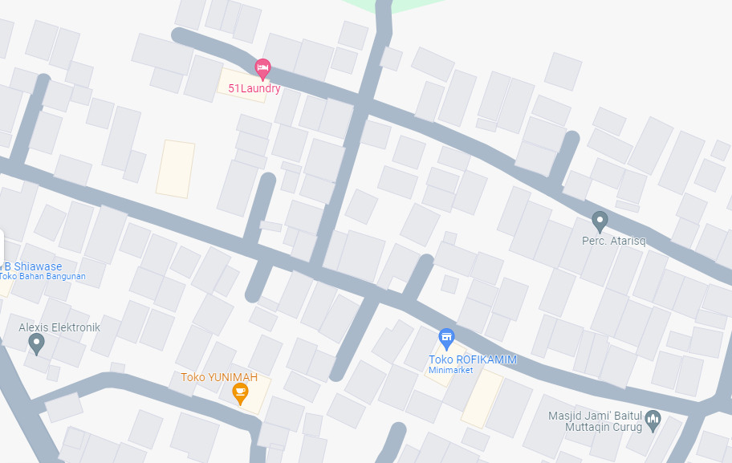
 |  |  |  |  |  | 4 | JTM 1 Fasa
 |  |  |  |  |  | 5 | JTR 1 Fasa Only / UB
 |  |  |  |  |  | 6 | JTR 3 Fasa Only / UB
 |  |  |  |  |  | 7 | Trafo 1 Fasa
 |  |  |  |  |  | 8 | Trafo 3 Fasa
 |  |  |  |  |  | 9 | Fuse Cut Out
 |  |  |  |  |  | 10 | ABSW
 |  |  |  |  |  | 11 | Vang Net
 |  |  |  |  |  | 12 | Schoor
MGN09-119/15/9
1 C11-200E
1 CA-5
1 CG-106 50KVA
1 CM2-11
1 CA-5
1 CM5-2
1 CM2-12
2 CCO 70-70
 |  |  |  |  |  | 13

 |  |  |  |  |  | Bongkar Pasang Konstruksi :
 |  |  |  |  |  | Pasang |  |  |  | Bongkar
 |  |  |  |  |  | C12-200E |  | BTG | 0 | C9-200E |  | BTG | 0
 |  |  |  |  |  | C12-350E |  | BTG | 1 | SJ5 |  | U | 1
A
 |  |  |  |  |  | CM5-2 |  | U | 1 | CM2-12 |  | U | 0
 |  |  |  |  |  | CA-5 |  | U | 1 | SJ6 |  | U | 0
37 m
37 m
 |  |  |  |  |  | CA-6 |  | U | 0 | MJ6-T |  | U | 0
MGN03-428/34/42A (SGB02)/15
1 C12-200E
2 SJ6
1 CM2-12
1 CM2-12A
1 CE1-3
1 F1-3
 |  |  |  |  |  | CM2-12 |  | U | 2 | CE1-2 |  | U | 0
 |  |  |  |  |  | CM2-12A |  | U | 1 | F1-2 |  | U | 0
 |  |  |  |  |  | CM5-6 |  | U | 0 | SR 1 PH |  | U | 0
 |  |  |  |  |  | CM5-9 |  | U | 0
 |  |  |  |  |  | CG-106 50KVA |  | U | 1
APP
APP
 |  |  |  |  |  | CM2-11M |  | U | 2
 |  |  |  |  |  | SJ5 |  | U | 0
A3C 70 mm2
 |  |  |  |  |  | SJ6 |  | U | 2
s
s
 |  |  |  |  |  | MJ6-T |  | U | 0
 |  |  |  |  |  | CE1-3 |  | U | 1
MGN09-119/15/9
1 C12-350 E
1 CA-5
1 CG-106 50KVA
2 CM2-11M
1 CM2-12
1 CM2-12A
1 CE1-3
1 F1-3
2 SJ6
50 A3C 2X70 mm2
s
s
 |  |  |  |  |  | F1-3 |  | U | 1
 |  |  |  |  |  | CCO 70-70 |  | B | 5
 |  |  |  |  |  | SR 1 PH |  | U | 0
 |  |  |  |  |  | AAAC 1X70 mm2 |  | M | 100
 |  |  |  |  |  | LVTC 2X70+NX50 mm2 |  | M | 30
 |  |  |  |  |  | Keterangan Tambahan : -7.071125,110.537370

 |  |  |  |  |  | Golongan
 |  |  |  |  |  | No. Gambar |  | 1 |  |  | Lembar |  | dr
 |  |  |  |  |  | Gambar dari |  |  |  |  | Skala
 |  |  |  |  |  | Perihal:
 |  |  |  |  |  | PB BTS IOH_14DMK0151_MARGOHAYU_KARANGAWEN_11KVA
 |  |  |  |  |  | CURUG RT03 RW04 DESA MARGOHAYU KAARANGAWEN

 |  |  |  |  |  | Digambar |  | Staf Teknik
 |  |  |  |  |  | Diperiksa |  | TL. Teknik
 |  |  |  |  |  | Diketahui |  | Manager ULP
 |  |  |  |  |  | Disetujui |  | Man. Perencanaan

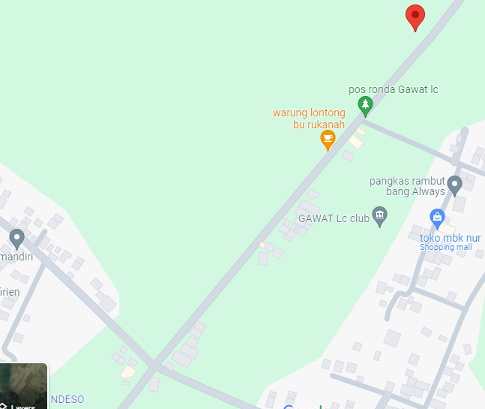
MGN03-428/34/42A (SGB02)/10
1 C12-350E
1 CA5
1 CG-106 50KVA
2 CM2-11M
1 CM2-12A
1 CM2-12
1 CE1-3
1 F1-3
1 SJ5
MGN03-428/34/42A (SGB02)/11-14
1 C12-200E
1 SJ5
1 CM2-12

MGN03-428/34/42A (SGB02)/6
1 C12-350E
1 CA1
1 CM2-12
1 SJ5
MGN03-428/34/42A (SGB02)/16
1 C12-200E
1 SJ6
1 MJ6-T
1 CM2-12
1500 AAAC 1X70 mm2
750 LVTC 2X70+NX50 mm2

MGN03-428/34/42A (SGB02)/3
1 C12-200E
1 CA1
1 CM2-12
1 SJ5
5 SR 1 PH
MGN03-428/34/42A (SGB02)/7-9
3 C12-200E
3 CA-1
3 SJ5
3 CM2-12
1 C9-200E
1 SJ6
1 MJ6-T
1 CM2-12
1 CM2-12A
1 CE1-2
1 F1-2
5 SR 1 PH

MGN03-428/34/42A (SGB02)/2
1 C12-200E
1 CA6
1 CM2-12
1 CM2-12A
1 CE1-3
1 F1-3
MGN03-428/34/42A (SGB02)/5
1 C12-200E
1 CA1
1 CM2-12
1 SJ5

MGN03-428/34/42A (SGB02)/4
1 C12-200E
1 CA1
1 CM2-12
1 SJ5
1 C9-200E
1 SJ5
1 CM2-12

1 C9-200E
1 SJ5
1 CM2-12
1 SJ5
1 CM2-12

MGN03-428/34/42A (SGB02)/1
1 C12-200E
1 CA6
1 CM2-12
1 CM2-12A
1 CE1-3
1 F1-3
MGN03-428/34/42A (SGB02)/1
1 C12-200E
1 CA6
1 CM2-12
1 CM2-12A
1 CE1-3
1 F1-3

MGN03-428/34/43 (SGB02)
1 SJ6
1 CM2-12
1 MJ6-T
MGN03-428/34/42A (SGB02)
1 CA5
1 CM2-12
1 CM5-6
1 CM5-9
2 CCO 70-70

PETA
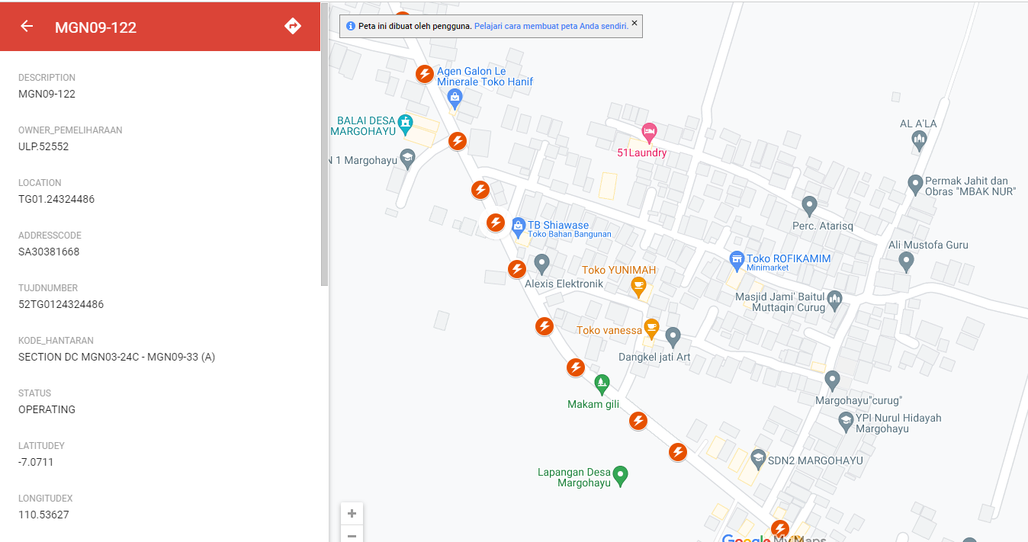
PETA LOKASI PELANGGAN

KOORDINAT LOKASI : -7.071125,110.537370

